Item Master
Item ID | Mfg Catalog # | Vendor Catalog # | Item Description | Price ($) | Manufacturer Name | Manufacturer ID | Vendor Name | Vendor ID | Vendor City | Lowest Unit of Measure | Purchasing Unit of Measure | Packaging String | Active Status | GTIN | UNSPSC
IT1 | 1001 | 3540727 | Stethscope | 150 | Johnson & Johnson | 301 | WellSky | V135 | New York | EA | EA | EA 10/BX 5 | Yes | GTIN-12 | 42141501
IT2 | 1002 | 1110156 | Scissor | 5 | Teleflex | 315 | Rivet | V672 | Los Angeles | DZ | DZ | EA 5/BX 5 | No | GTIN-13 | 42291614
IT3 | 1003 | 2157268 | Stretcher | 2000 | 3M Company | 372 | FGA, Inc | V522 | Chicago | PK100 | PK100 | EA 1/BX 25 |  | GTIN-14 | 42120000
IT4 | 1004 | 4562689 | Magnifier | 8 | Terumo | 351 | Quadax, Inc | V797 | Phoenix | PK50 | PK50 | EA 1/BX 5 |  | GTIN-8
IT5 | 1005 | 9898267 | Weighing Scale | 20 | Nipro | 347 | OmniSys | V486 | Houston |  |  | DZ 1/BX 1
IT6 | 1006 | 5427690 | Torch | 5 | Poly Medicure Ltd | 318 | Etactics | V658 | Oklahoma City
IT7 | 1007 | 1265492 | Face Mask | 1 | Ribbel International Ltd | 378 | HealthXNet | V565 | Denver
IT8 | 1008 | 7865292 | First Aid Kit | 10 | Advin Healthcare | 324 | CompMed | V453 | Salt Lake City
IT9 | 1009 | 8765268 | Gloves | 1 | Aegis Lifesciences Private Limited | 398 | Ritiko LLC | V878 | Miami
IT10 | 1010 | 1275395 | Scalpel | 5 | Smiths Medical | 365 | Ability Network | V222 | Atlanta
IT11 | 1011 | 9088781 | Microscope | 1200 | Cardinal Health | 372 | Greenway Health | V110 | San Antonio
IT12 | 1012 | 5617127 | Otoscope | 150 | Becton Dickinson | 390 | Noble House | V624 | Dallas
IT13 | 1013 | 2152352 | Thermometer | 35 | General Electric | 350 | eSolutions | V090 | Charlotte
IT14 | 1014 | 5388375 | Saline Bag | 12 | Medtronic PLC | 335 | Experian Health, Inc | V501 | New York
IT15 | 1015 | 2740286 | Syringe | 5 | Siemens Healthineers | 307 | Eligible, Inc. | V213 | Chicago
IT16 |  | 3845884 | X-ray Machine | 2000 |  |  | Cerner Health Services – HDX | V928 | San Antonio
IT17 |  | 4585833 | Bandag | 2 |  |  | myhELO | V653 | Salt Lake City
IT18 |  | 7539028 | Crutches | 13 |  |  | Prevounce Health | V971 | Houston
IT19 |  | 5658472 | Plaster | 10 |  |  | Toyon Associates, Inc. | V305 | New York
IT20 |  | 5730328 | Cotton Wool | 10 |  |  | Healthcare IP | V425 | Denver
IT21 |  |  | Surgical Mask | 1
IT22 |  |  | Oxygen Mask | 12
IT23 |  |  | Dropper | 1 |  |  |  |  | `
IT24 |  |  | Needle | 5
IT25 |  |  | Cane | 10
IT26 |  |  | Surgical Clamps | 35
IT27 |  |  | Forceps | 15
IT28 |  |  | Surgical Table | 1600
IT29 |  |  | Utility Table | 60
IT30 |  |  | Instrument Table | 60
IT31 |  |  | Ventilator | 3000
IT32 |  |  | Mayo Stands | 85
IT33 |  |  | Kickbuckets | 15
IT34 |  |  | Arm Supports | 5
IT35 |  |  | Medical Syringe Infusion | 250
IT36 |  |  | Pacemakers | 1200
IT37 |  |  | Defibrillators | 1500
IT38 |  |  | Wheelchairs | 80
IT39 |  |  | Traction Equipment | 165
IT40 |  |  | Needle Holder | 25
IT41 |  |  | Medicine Cup | 5
IT42 |  |  | Gauze | 7
IT43 |  |  | Forceps | 12
IT44 |  |  | Trays | 10
IT45 |  |  | Cotton Swabs | 1
IT46 |  |  | Surgical lights | 2000
IT47 |  |  | Anesthesia machine | 875
IT48 |  |  | Walkers | 20
IT49 |  |  | Tourniquet | 260
IT50 |  |  | Splints | 12
IT51 |  |  | Slings | 7
IT52 |  |  | ECG Machine | 300
IT53 |  |  | Nebulizers | 15
IT54 |  |  | Sutures | 12
IT55 |  |  | Braces | 60

Manufacturer's Catlog : A product catlog is a list of essential product details that help buyers make a purchase decision
Vendor Catalog : Vendor Catalogs are catalogs that are managed by procurement team
Vendor Catalog Item : Records that the Procurement department manages, in order to track the availability and price of product that your vendors have for sale

UOM Code :
EA | Each
DZ | Dozen
PK100 | Pack Of 100
PK50 | Pack Of 50

Packaging String : A packaging string shows the hierarchy of units that represent how an item is packaged when shipped or used by an enterprise.
A packaging string represents the UOMs involved with transactions for an item. For example, the string EA 10/BX 25/CS 40/PLT would mean 10 each in a box, 25 boxes in a case, 40 cases in a pallet.

Global Trade Item Number (GTIN) : A Global Trade Item Number (GTIN) is a unique and internationally recognized identifier for a product. When a GTIN is available, it will appear next to the barcode on your product's packaging or book cover.

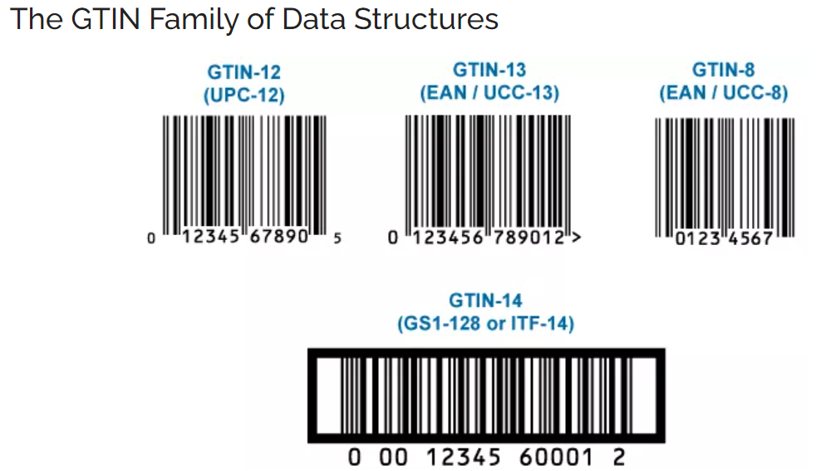

United Nations Standard Products and Services Code (UNSPS) : UNSPSC is a global, multi-sector standard for accurately classifying goods and services.

 |  | 50 | Vendors
 |  | 100 | Items
 |  | 100 | PO

